Model Architecture
P' (output_sequence, vocab_size)
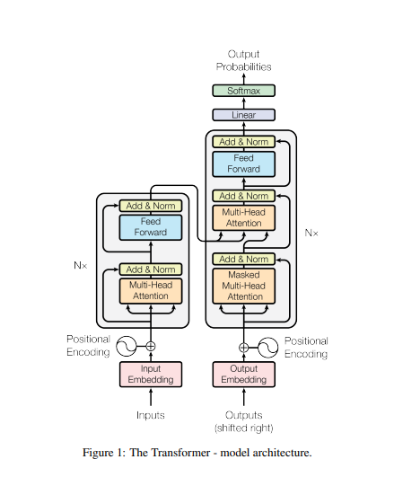
The output_sequence changes incrementally with each time step. Thus output_sequence = time_step.

E' cross matrix (output sequence, vocab_size)
D

Decoder Block (2 sublayers)
E' cross matrix (output sequence, dmodel)

Encoder Block (2 sublayers)
E' (input sequence, dmodel)

Cross Attention
Cn (output_sequence, dmodel)

D
"Masked" means we convert future tokens of a matrix into -inf so that during softmax, they will all be converted to virtually 0

"N" means, the encoder or decoder block runs a matrix "N" times. "N" determines how many layers basically.
e.g.
A' -> Layer 1 (Self-Attention, Feed Forward) -> Layer 2 (Self-Attention, Feed Forward)...

Residual Connection

Input | Output Embedding
WMT 2014 English-to-German
(4.5 million English-German sentence pairs)
INPUT | OUTPUT SEQUENCE to INPUT | OUTPUT EMBEDDING
INPUT | OUTPUT EMBEDDING (sequence, dmodel)

INPUT SEQUENCE |  | 1 | 2 | 3 | 4 | … | 512
Your |  | 0.77245430673 | 0.71045557526 | 0.71101168658 | 0.92295152474 | 0.82763616653 | 0.56728016519
cat |  | 0.36488519843 | 0.53861325842 | 0.76317346686 | 0.76126142552 | 0.49877746853 | 0.25195592895
passed as a whole matrix to encoder
is |  | 0.24653727504 | 0.51462705637 | 0.90740642241 | 0.21094458743 | 0.77245028083 | 0.13614554028
English Vocabulary
(37, 000 tokens)
German Vocabulary
(37, 000 tokens)
a |  | 0.37245927441 | 0.248235923 | 0.83215851762 | 0.85763110314 | 0.60206925723 | 0.79198599564
lovely |  | 0.2369862498 | 0.98996089751 | 0.70829145987 | 0.39494747571 | 0.56390730301 | 0.89152174411
cat |  | 0.29228265436 | 0.96864103858 | 0.83809729904 | 0.84817122304 | 0.10241909633 | 0.31695795173

passed one-by-one to the decoder
OUTPUT SEQUENCE |  | 1 | 2 | 3 | 4 | … | 512
Ti |  | 0.54492086315 | 0.46638251507 | 0.33527569492 | 0.32826000768 | 0.86353095279 | 0.78719070479
amo |  | 0.54245058706 | 0.88776959225 | 0.52239466419 | 0.57042684956 | 0.84783099966 | 0.59083264871
molto |  | 0.94953430117 | 0.17003668528 | 0.89254632794 | 0.21864215487 | 0.3359230927 | 0.16407366205
single embedding layer
<pad> |  | 0 | 0 | 0 | 0 | 0 | 0
<pad> |  | 0 | 0 | 0 | 0 | 0 | 0 | LOOKUP MATRIX |  | 1 | 2 | 3 | 4 | … | 512 | LOOKUP MATRIX |  | 1 | 2 | 3 | 4 | … | 512
<pad> |  | 0 | 0 | 0 | 0 | 0 | 0 |  | Your | 0.77245430673 | 0.71045557526 | 0.71101168658 | 0.92295152474 | 0.82763616653 | 0.56728016519 |  | Ti | 0.54492086315 | 0.46638251507 | 0.33527569492 | 0.32826000768 | 0.86353095279 | 0.78719070479
 |  |  |  |  |  |  |  |  | cat | 0.36488519843 | 0.53861325842 | 0.76317346686 | 0.76126142552 | 0.49877746853 | 0.25195592895 |  | amo | 0.54245058706 | 0.88776959225 | 0.52239466419 | 0.57042684956 | 0.84783099966 | 0.59083264871
 |  |  |  |  |  |  |  |  | is | 0.24653727504 | 0.51462705637 | 0.90740642241 | 0.21094458743 | 0.77245028083 | 0.13614554028 |  | molto | 0.94953430117 | 0.17003668528 | 0.89254632794 | 0.21864215487 | 0.3359230927 | 0.16407366205
*applied to attention score before softmax* |  |  |  |  |  |  |  |  | a | 0.37245927441 | 0.248235923 | 0.83215851762 | 0.85763110314 | 0.60206925723 | 0.79198599564 |  | ke | 0.37328375909 | 0.29981673651 | 0.83268646007 | 0.40859462206 | 0.76994759728 | 0.12114742091
 |  |  |  |  |  |  |  |  | lovely | 0.2369862498 | 0.98996089751 | 0.70829145987 | 0.39494747571 | 0.56390730301 | 0.89152174411 |  | qi | 0.61592906683 | 0.42659104005 | 0.39146746238 | 0.30511434462 | 0.15866696984 | 0.61030161844
PADDING MASK for INPUT SEQUENCE |  |  |  |  |  |  |  |  | cat | 0.29228265436 | 0.96864103858 | 0.83809729904 | 0.84817122304 | 0.10241909633 | 0.31695795173 |  | re | 0.92613577768 | 0.74291407793 | 0.83154580672 | 0.19409180189 | 0.94549681697 | 0.33842502612
 |  |  |  |  |  |  |  |  | Token 7 | 0.2445084275 | 0.31392099213 | 0.20896748032 | 0.67319573659 | 0.53541379568 | 0.61975808489 |  | Token 7 | 0.13878497168 | 0.86042911942 | 0.84853659028 | 0.58074958325 | 0.41449431936 | 0.40514935771
 |  | Your | cat | is | a | lovely | cat |  | Token 8 | 0.96770257123 | 0.82280616457 | 0.94361224427 | 0.12516174484 | 0.37912588085 | 0.32968315921 |  | Token 8 | 0.92811042653 | 0.99670753799 | 0.28865981701 | 0.34305730129 | 0.73865328781 | 0.24231526875
 | Padding? | 0 | 0 | 0 | 0 | 0 | 0 |  | Token 37k | 0.76882207098 | 0.6296880622 | 0.2228558598 | 0.48244323785 | 0.18770924717 | 0.15862688079 |  | Token 37k | 0.78700097342 | 0.83768539293 | 0.20084324691 | 0.27505335577 | 0.57808862428 | 0.30308028412

PADDING MASK for OUTPUT SEQUENCE
During training, a dataset is converted into a lookup matrix of size (vocabsize, dmodel)
where:
vocabsize - size of the vocabulary ( in this case, 37, 000 each)
dmodel- size of the dimension model.a hymperparameter to decide how many features should an embedding / vector / array have. ( in this case, 512 each)
The values of the matrix are randomized and will automatically be optimized during training feed forward.
For example, in the original paper "Attention is all you need", the authors used the WMT 2014 English-to-German which generated an English and German Vocabulary of size 37,000 tokens each.
In the training, there were sentence pairs each with size English Sentence Input (sequence, dmodel) and German Sentence Outpt (sequence, dmodel). Each batch of training contains sentence pairs of approximately 25,000 tokens for the English Sentence Input and the German Sentence Output.
 |  | Ti | amo | molto | <pad> | <pad> | <pad>
 | Padding? | 1 | 1 | 1 | 0 | 0 | 0

the number of rows scales up the the seq_len as well. Since there are 6 tokens, there will be 6 rows with all the same values as the first row

+ Positional Embedding
POSITION IDs to POSITION EMBEDDING
POSITION EMBEDDING (sequence, dmodel)

Position in sequence | 0 | 1 | 2 |  |  | 1 | 2 | 3 | 4 | … | 512
Sentence 1 | YOUR | CAT | IS | … | Your | 0.65287857602 | -0.14560521872 | -0.10826080168 | -0.45304566587 | 0.49077069216 | -0.96895725514
 |  |  |  |  | cat | -0.60884011767 | 0.78166516651 | 0.46588975472 | -0.17090341263 | -0.1230296295 | -0.18672434052
 | PE(0,0) | PE(0,0) | PE(0,0) |  | is | 0.77580978548 | -0.70305231249 | 0.65180300221 | -0.58543777426 | -0.85003472329 | -0.69585937835
 | PE(0,1) | PE(0,1) | PE(0,1) |  | a | -0.038501848306 | -0.50595137055 | -0.67213271869 | -0.12897860602 | -0.76069171775 | -0.28188911631
 | PE(0,2) | PE(0,2) | PE(0,2) |  | lovely | -0.068017597656 | 0.72239833216 | -0.89631353674 | -0.8663994357 | 0.52955807712 | 0.49446564761
 | … | … | … |  | cat | -0.48697893701 | 0.71639081356 | -0.58947323355 | -0.060516359469 | 0.7251381727 | -0.80599592253
 | PE(0, 510) | PE(0, 510) | PE(0, 510)
 | PE(0, 511) | PE(0, 511) | PE(0, 511)
The PE or positional encoding is computed using the formula where sin is used for even-numbered position in the embedding and cos for odd-numbered position. The 512-embedding is only computed once even if there are new sentences and will change accordingly.
Position in sequence | 0 | 1 | 2
Sentence 2 | I | LOVE | YOU

 | PE(0,0) | PE(0,0) | PE(0,0)
 | PE(0,1) | PE(0,1) | PE(0,1)
 | PE(0,2) | PE(0,2) | PE(0,2)
 | … | … | …
 | PE(0, 510) | PE(0, 510) | PE(0, 510)
 | PE(0, 511) | PE(0, 511) | PE(0, 511) |  | IMPLEMENTATION
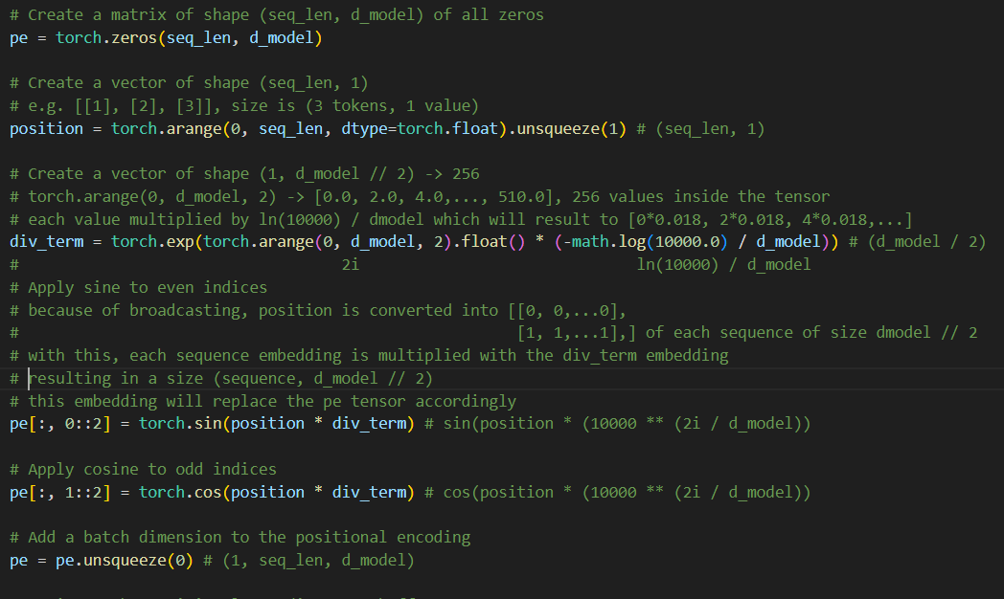

the positional embedding is not always equal to the size of the input embedding because it is usually computed at the beginning of training so we assume the max_size of the tensor so that it won't be computed everytime a new batch (sentence) is fed. We know that the positional embeddings optimizes automatically due to backpropagation and SGD. Thus, when we add the input embedding and the positional embedding, we match the sized by not getting all the positional embeddings in the tensor

-> Q, K, V
INPUT EMBEDDING + POSITIONAL EMBEDDING = ENCODER INPUT |  |  |  |  |  |  |  |  |  |  |  |  |  |  |  |  |  |  |  | ENCODER INPUT to Q, K, V MATRIX
ENCODER INPUT (sequence, dmodel) |  |  |  |  |  |  |  |  |  |  |  |  |  |  |  |  |  |  |  | Q, K, V MATRIX (sequence, dmodel)

(See colored cells)
Your dot 1 is the dot product, where each column in the 1st matrix is multiplied with each row in the 2nd matrix, and then summed up.
e.g.
Y dot 1 = [Your][1] x [1][1] +
[Your][2] x [2][2] ....
 |  |  |  |  |  |  |  |  |  |  | WQ (dmodel, dmodel) |  |  |  |  |  |  |  |  | Q' (sequence, dmodel)
 |  | 1 | 2 | 3 | 4 | … | 512 |  |  |  | 1 | 2 | 3 | 4 | … | 512 |  |  |  | 1 | 2 | 3 | 4 | … | 512
E1 | Your | 1.4253328828 | 0.56485035654 | 0.60275088489 | 0.46990585886 | 1.3184068587 | -0.40167708995 |  | WQ | 1 | -0.014259363729 | -0.012848698124 | -0.0042107696964 | -0.02709027641 | 0.044037521822 | 0.042657694923 |  | Q1 | Your | -0.02972264016 | -0.0010967515062 | 0.0045560863123 | -0.028192939607 | 0.076874021139 | 0.052309054034
E2 | cat | -0.24395491924 | 1.3202784249 | 1.2290632216 | 0.59035801289 | 0.37574783903 | 0.065231588423 |  | WQ | 2 | -0.014889199259 | -0.029739257396 | 0.036201742787 | -0.031294343529 | -0.010759769599 | 0.0026770285955 |  | Q2 | cat | 0.010887384186 | -0.073345445188 | 0.098632905206 | 0.033948833511 | -0.016712268339 | 0.0066151238464
E3 | is | 1.0223470605 | -0.18842525612 | 1.5592094246 | -0.37449318683 | -0.077584442454 | -0.55971383806 | x | WQ | 3 | 0.020174614776 | -0.042773653575 | 0.030942015819 | 0.043657364366 | -0.016876094584 | 0.010277391046 | = | Q3 | is | 0.019639863447 | -0.06616438745 | 0.0072896310266 | 0.016695779291 | -0.014289566298 | 0.066320376517
E4 | a | 0.3339574261 | -0.25771544755 | 0.16002579893 | 0.72865249712 | -0.15862246052 | 0.51009687933 |  | WQ | 4 | 0.016494215826 | 0.0053800057423 | 0.029197706192 | 0.015483250004 | 0.028855492346 | 0.021149552345 |  | Q4 | a | 0.012955460051 | -0.01708504354 | 0.037500616237 | 0.037025196913 | 0.0521727385 | 0.023013051417
E5 | lovely | 0.16896865214 | 1.7123592297 | -0.18802207688 | -0.47145196 | 1.0934653801 | 1.3859873917 |  | WQ | … | -0.018412532532 | 0.036415599009 | -0.02088760465 | 0.0084203176759 | 0.024872556271 | -0.026913062909 |  | Q5 | lovely | -0.071257192759 | -0.039716048763 | 0.069657221039 | -0.0072034749459 | 0.06097655607 | -0.061784550661
E6 | cat | -0.19469628265 | 1.6850318521 | 0.24862406548 | 0.78765486357 | 0.82755726903 | -0.4890379708 |  | WQ | 512 | -0.0084049677157 | -0.02304920204 | 0.036653501669 | 0.041314893539 | 0.039822733849 | -0.023264657248 |  | Q6 | cat | -0.015431962613 | -0.012599045508 | 0.057300912821 | -0.037644117538 | -0.0070634948618 | 0.0045245382654
where:
En = Embedding / Vector / Array
1. The learned weights (Q, K, V) are the gold source of the model. It is learned in the training. It's size is (dmodel, dmodel)
2. Each embedding (E) is transformed to three embeddings of (Q, K, V)
 |  |  |  |  |  |  |  |  |  |  | WK (dmodel, dmodel) |  |  |  |  |  |  |  |  | K' (sequence, dmodel)
 |  |  |  |  |  |  |  |  |  |  | 1 | 2 | 3 | 4 | … | 512 |  |  |  | 1 | 2 | 3 | 4 | … | 512
 |  |  |  |  |  |  |  |  | WK | 1 | -0.010068303204 | 0.0010795247915 | -0.015784616692 | -0.021060739109 | -0.023463336346 | -0.0092658967952 |  | K1 | Your | -0.03051832325 | 0.006788908907 | -0.04002091457 | 0.0051862663392 | -0.028566228597 | 0.018023840992
 |  |  |  |  |  |  |  |  | WK | 2 | -0.040114495321 | -0.0062274537364 | -0.0013902845426 | 0.025957756622 | -0.011541290327 | 0.008809581167 |  | K2 | cat | -0.077530790975 | -0.010910540822 | -0.029024056311 | 0.06460262245 | -0.0336181575 | 0.0040117790254
 |  |  |  |  |  |  |  | x | WK | 3 | -0.0077856960845 | -0.0080873778851 | -0.03488266398 | 0.0278078732 | -0.027359834096 | -0.023884459736 | = | K3 | is | 0.019555953392 | -0.003211904994 | -0.06522037226 | 0.024594191546 | -0.071122591748 | -0.064716517804
 |  |  |  |  |  |  |  |  | WK | 4 | -0.02812915003 | 0.017356583675 | 0.03502255045 | -0.021837949472 | 9.0472703507E-05 | 0.010276287663 |  | K4 | a | -0.03775476073 | 0.0016204577133 | 0.0026798260152 | -0.027117694198 | -0.0085837980988 | 0.0022126190114
 |  |  |  |  |  |  |  |  | WK | … | 0.0052784346388 | -0.0031209587863 | -0.018340619626 | 0.010491465722 | 0.02371944803 | 0.032595323257 |  | K5 | lovely | -0.11008088625 | -0.053685083491 | -0.076500610883 | 0.056701026871 | 0.019136474972 | 0.073484266944
 |  |  |  |  |  |  |  |  | WK | 512 | -0.043424957457 | -0.023902815757 | -0.029903062192 | -0.00052560155184 | 0.0085324612769 | 0.0178045329 |  | K6 | cat | -0.064121054352 | 0.010063255794 | 0.019089364683 | 0.046492361546 | -0.0061537652843 | 0.037071781065

Ei = (Q'i, K'i, V'i)
where i is a word / token
 |  |  |  |  |  |  |  |  |  |  | WV (dmodel, dmodel) |  |  |  |  |  |  |  |  | V' (sequence, dmodel)
 |  |  |  |  |  |  |  |  |  |  | 1 | 2 | 3 | 4 | … | 512 |  |  |  | 1 | 2 | 3 | 4 | … | 512
 |  |  |  |  |  |  |  |  | WV | 1 | -0.01127590471 | -0.039945314807 | 0.033411602014 | 0.00998732159 | 0.024576083543 | -0.024659913032 |  | V1 | Your | -0.014564364538 | 0.026899659836 | 0.029815283044 | -0.022118399879 | 0.05717089225 | 0.044449948665
 |  |  |  |  |  |  |  |  | WV | 2 | 0.0077493332783 | 0.022954674625 | -0.0017703425349 | -0.0067942366271 | -0.034382586159 | 0.0069006894843 |  | V2 | cat | 0.052869419915 | 0.071673532602 | -0.0098608578336 | 0.038165038741 | -0.052450859441 | 0.07143015562
 |  |  |  |  |  |  |  | x | WV | 3 | 0.034794826278 | 0.017354929981 | 0.012311185042 | 0.038165869278 | -0.0039195048528 | 0.036852445421 | = | V3 | is | 0.029762438144 | -0.0086754641923 | 0.064672186835 | 0.046948164398 | 0.043726652438 | 0.048482310175
 |  |  |  |  |  |  |  |  | WV | 4 | -0.00016648342558 | -0.0083675500545 | -0.01331306936 | 0.028808725679 | -0.006718417284 | 0.0061108430333 |  | V4 | a | 0.012804141693 | -0.038296110308 | 0.0021345898735 | 0.054209174458 | -0.008754351687 | -0.023801608382
Embedding / Vector / Array vs. List
- A list is a collection of values that can contain different data types. Vectors, on the other hand can only contain one data type. For this one, each embedding / vector is a collection of float values for each word / token
 |  |  |  |  |  |  |  |  | WV | … | -0.011254742066 | 0.043536842422 | -0.016212414978 | -0.043330694206 | 0.026055324206 | 0.026484219955 |  | V5 | lovely | 0.023392173328 | 0.056894808763 | -0.022892218605 | -0.036919520488 | -0.066255431737 | -0.027371334106
 |  |  |  |  |  |  |  |  | WV | 512 | 0.022221113226 | -0.017280209169 | -0.008470678168 | 0.029701337467 | -0.031694112362 | -0.039084465617 |  | V6 | cat | 0.003592038096 | 0.088660582796 | -0.026187663826 | -0.031596425805 | -0.031925004886 | 0.071435711514

the weights are initilized with a
uniform distribution values [0, 1] with
lower range -1/SQRT(d_model)
upper range 1/SQRT(512)
 |  |  |  |  |  |  |  |  |  |  | lower | upper
 |  |  |  |  |  |  |  |  |  |  | -0.0442 | 0.044194173824

-> Self - Attention
where:
dmodel = 512
sequence = number of tokens ("words")
Input Matrix (sequence, dmodel) = Input Embeddings + Position Embeddings = Encoder Input
Self - Attention (Single Head)
Q, K, V MATRIX (sequence, dmodel)
 |  |  |  |  |  |  |  |  |  |  |  |  |  |  |  |  |  |  |  | Q, K, V MATRIX to ATTENTION SCORE MATRIX
 |  |  |  |  |  |  |  |  |  |  |  |  |  |  |  |  |  |  |  | ATTENTION SCORE MATRIX |  |  |  |  |  |  |  |  |  |  |  |  |  |  |  |  |  |  | ATTENTION SCORE MATRIX to ATTENTION OUTPUT MATRIX
 |  | "meaning and positional meaning" |  |  |  |  |  |  |  |  |  |  |  |  |  |  |  |  |  | A's (sequence, sequence) |  |  |  |  |  |  |  |  |  |  |  |  |  |  |  |  |  |  | ATTENTION OUTPUT MATRIX
 |  | Q' (sequence, dmodel) |  |  |  |  |  |  |  |  | K'T (sequence, dmodel) |  |  |  |  |  |  |  |  |  |  |  |  |  |  |  |  |  |  | V' (sequence, dmodel) |  |  |  |  |  |  |  |  | A' (sequence, dmodel)
 |  |  | 1 | 2 | 3 | 4 | … | 512 |  |  | Your | cat | is | a | lovely | cat |  |  |  | Your | cat | is | a | lovely | cat |  |  |  |  | 1 | 2 | 3 | 4 | … | 512 |  |  |  | 1 | 2 | 3 | 4 | … | 512
 | Q1 | Your | -0.02972264016 | -0.0010967515062 | 0.0045560863123 | -0.028192939607 | 0.076874021139 | 0.052309054034 |  | 1 | -0.03051832325 | -0.077530790975 | 0.019555953392 | -0.03775476073 | -0.11008088625 | -0.064121054352 |  | Q1 x V1 | Your | -0.00068210622927 | -0.0020116985698 | -0.010421003554 | 0.0013529998924 | 0.0066986520259 | 0.0021371517024 |  |  | V1 | Your | -0.014564364538 | 0.026899659836 | 0.029815283044 | -0.022118399879 | 0.05717089225 | 0.044449948665 |  | A1 (Q1, K1, V1) | Your | 0.017947377906 | 0.032949750625 | 0.0061368018213 | 0.0079866793369 | -0.0099047702427 | 0.030662092277
 | Q2 | cat | 0.010887384186 | -0.073345445188 | 0.098632905206 | 0.033948833511 | -0.016712268339 | 0.0066151238464 |  | 2 | 0.006788908907 | -0.010910540822 | -0.003211904994 | 0.0016204577133 | -0.053685083491 | 0.010063255794 |  | Q2 X V2 | cat | -0.0040048752185 | -0.00012503827032 | -0.004388926843 | -0.0010281073515 | -0.0027151867099 | 0.0023730742091 |  |  | V2 | cat | 0.052869419915 | 0.071673532602 | -0.0098608578336 | 0.038165038741 | -0.052450859441 | 0.07143015562 |  | … | cat | 0.017981071789 | 0.032916492908 | 0.0062232021865 | 0.0081025539499 | -0.0098142594244 | 0.030799748835
softmax | Q3 | is | 0.019639863447 | -0.06616438745 | 0.0072896310266 | 0.016695779291 | -0.014289566298 | 0.066320376517 | x | 3 | -0.04002091457 | -0.029024056311 | -0.06522037226 | 0.0026798260152 | -0.076500610883 | 0.019089364683 | = | Q3 X V3 | is | 0.00034983829528 | 0.00081266315301 | -0.0027439361122 | -0.0010125305536 | 0.0063791260179 | 0.0015367718406 |  | x | V3 | is | 0.029762438144 | -0.0086754641923 | 0.064672186835 | 0.046948164398 | 0.043726652438 | 0.048482310175 | = | … | is | 0.017976383831 | 0.032935255365 | 0.0062140588862 | 0.0080333314634 | -0.009840362376 | 0.030726736019
 | Q4 | a | 0.012955460051 | -0.01708504354 | 0.037500616237 | 0.037025196913 | 0.0521727385 | 0.023013051417 |  | 4 | 0.0051862663392 | 0.06460262245 | 0.024594191546 | -0.027117694198 | 0.056701026871 | 0.046492361546 |  | Q4 X V4 | a | -0.0028957489433 | -0.0011761632434 | -0.0064269523889 | -0.001817279864 | 0.0014111096172 | 0.0019666788756 |  |  | V4 | a | 0.012804141693 | -0.038296110308 | 0.0021345898735 | 0.054209174458 | -0.008754351687 | -0.023801608382 |  | … | a | 0.017970347738 | 0.032944741328 | 0.0061933003553 | 0.0080442101689 | -0.0098500249108 | 0.030753541612
 | Q5 | lovely | -0.071257192759 | -0.039716048763 | 0.069657221039 | -0.0072034749459 | 0.06097655607 | -0.061784550661 |  | … | -0.028566228597 | -0.0336181575 | -0.071122591748 | -0.0085837980988 | 0.019136474972 | -0.0061537652843 |  | Q5 X V5 | lovely | -0.0037755485833 | 0.0011730661802 | -0.0063245014252 | 0.0023478348317 | 0.00086563386125 | 0.0024985203565 |  |  | V5 | lovely | 0.023392173328 | 0.056894808763 | -0.022892218605 | -0.036919520488 | -0.066255431737 | -0.027371334106 |  | … | lovely | 0.017983615852 | 0.032913368099 | 0.0061815005793 | 0.0080937244485 | -0.0098716684707 | 0.030738782309
 | Q6 | cat | -0.015431962613 | -0.012599045508 | 0.057300912821 | -0.037644117538 | -0.0070634948618 | 0.0045245382654 |  | 512 | 0.018023840992 | 0.0040117790254 | -0.064716517804 | 0.0022126190114 | 0.073484266944 | 0.037071781065 |  | Q6 X V6 | cat | -0.0018197165381 | -0.0025054858346 | -0.0047147716066 | 0.0018072346733 | -0.0039455580389 | 0.0004176001761 |  |  | V6 | cat | 0.003592038096 | 0.088660582796 | -0.026187663826 | -0.031596425805 | -0.031925004886 | 0.071435711514 |  | An(Qn, Kn, Vn) | cat | 0.017955890852 | 0.032844312143 | 0.006249625185 | 0.0081215568869 | -0.0097565798854 | 0.030760395207
(See colored cells)
Your dot 1 is the dot product, where each column in the 1st matrix is multiplied with each row in the 2nd matrix, and then summed up.
e.g.
Your dot 1 = [Your][Your] x [Your][1] +
[Your][cat] x [cat][1] ....
(See colored cells)
Your dot Your is the dot product, where each column in the 1st matrix is multiplied with each row in the 2nd matrix, and then summed up.
e.g.
Your dot Your = [Your][1] x [1][Your] +
[Your][2] x [2][Your] ....
before softmax, the output is applied with masked_fill where the pad tokens are converted to -inf
 |  |  |  |  |  |  |  |  |  |  | K1 | K2 | K3 | K4 | K5 | K6
 |  |  |  |  |  |  |  | 512 (dmodel) |  |  |  |  |  |  |  |  |  |  |  |  |  |  |  |  |  |  |  |  |  | 1 | 2 | 3 | 4 | … | 512
 |  |  |  |  |  |  |  |  |  |  |  |  |  |  |  |  |  |  |  |  |  |  |  |  |  |  |  |  | Your | -0.0024268892398 | 0.0044823442066 | 0.0049681803428 | -0.0036856332817 | 0.0095265003063 | 0.0074067839929
 |  |  |  |  |  |  |  |  |  |  |  |  |  |  |  |  |  |  |  |  |  |  |  |  |  |  |  |  | cat | 0.0087980317782 | 0.011927235413 | -0.0016409512478 | 0.0063510669154 | -0.0087283788795 | 0.011886734904
 |  |  |  |  |  |  |  |  |  |  |  |  |  |  |  |  |  |  |  |  |  |  |  |  |  |  |  |  | is | 0.0049113102774 | -0.0014315996641 | 0.010672014649 | 0.0077472484342 | 0.0072156439762 | 0.0080004086721
 |  |  |  |  |  |  |  |  |  |  |  |  |  |  |  |  |  |  |  |  |  |  |  |  |  |  |  |  | a | 0.0021379262634 | -0.0063943575429 | 0.00035641559283 | 0.0090513851355 | -0.0014617269037 | -0.0039741893594
 |  |  |  |  |  |  |  |  |  |  |  |  |  |  |  |  |  |  |  |  |  |  |  |  |  |  |  |  | lovely | 0.0039267604795 | 0.0095507280749 | -0.0038428348681 | -0.0061975478696 | -0.011122062377 | -0.0045947279686
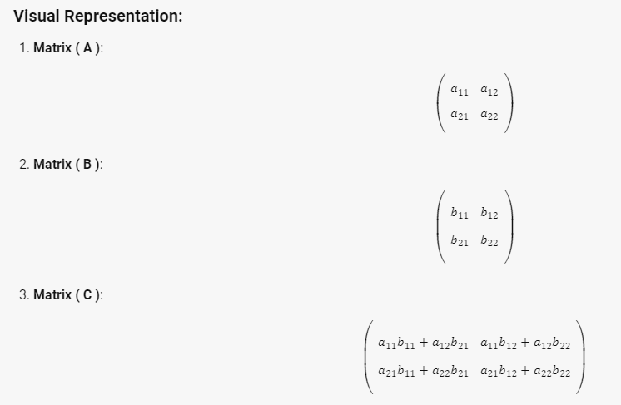
 |  |  |  |  |  |  |  |  |  |  |  |  |  |  |  |  |  |  |  |  |  |  |  |  |  |  |  |  | cat | 0.00060023834743 | 0.014815400137 | -0.0043760226472 | -0.0052798399969 | -0.0053347463647 | 0.011937082036

Transposed
Each row in this matrix captures not only the meaning (given by the embedding) or the position in the sentence (represented by the positional encodings) but also each word’s interaction with other words.
Attention(Q, K, V Matrix(size (sequence, dmodel))) where:
Q' = Encoder Input x WQ
K' = Encoder Input x WK
V' = Encoder Input x WV
EMBEDDING
 |  |  |  |  |  |  |  |  |  |  |  |  |  |  |  |  |  |  |  |  |  |  |  |  |  |  |  |  |  | 0.017947377906 | 0.032949750625
 |  |  |  |  |  |  |  |  |  |  |  |  |  |  |  |  |  | Sum |  | Your | cat | is | a | lovely | cat
 |  |  |  |  |  |  |  |  |  |  |  |  |  |  |  |  |  | 5.9971560477 | Your | 0.99931812635 | 0.99799032354 | 0.98963310698 | 1.0013539156 | 1.0067211382 | 1.002139437
 |  |  |  |  |  |  |  |  |  |  |  |  |  |  |  |  |  | 5.9901356028 | cat | 0.9960031336 | 0.99987496955 | 0.99562069042 | 0.99897242097 | 0.99728849608 | 1.0023758922
 |  |  |  |  |  |  |  |  |  |  |  |  |  |  |  |  |  | 6.0053481691 | is | 1.0003498995 | 1.0008129935 | 0.99725982504 | 0.99898798188 | 1.006399516 | 1.0015379533
 |  |  |  |  |  |  |  |  |  |  |  |  |  |  |  |  |  | 5.9910917143 | a | 0.99710843969 | 0.99882452817 | 0.9935936563 | 0.99818437039 | 1.0014121057 | 1.0019686141
 |  |  |  |  |  |  |  |  |  |  |  |  |  |  |  |  |  | 5.9968190265 | lovely | 0.99623156984 | 1.0011737545 | 0.99369545614 | 1.0023505932 | 1.0008660086 | 1.0025016443
where:
h = number of heads
d_k = d_model // head
 |  |  |  |  |  |  |  |  |  |  |  |  |  |  |  |  |  | 5.9892646854 | cat | 0.99818193814 | 0.99749765028 | 0.99529632548 | 1.0018088687 | 0.99606221545 | 1.0004176874

must equal to one due to softmax
 |  |  |  |  |  |  |  |  |  |  |  |  |  |  |  |  |  |  |  | Your | cat | is | a | lovely | cat | Summation
 |  |  |  |  |  |  |  |  |  |  |  |  |  |  |  |  |  |  | Your | 0.1666320033 | 0.16641059789 | 0.16501706794 | 0.16697146241 | 0.16786642371 | 0.16710244474 | 1
 |  |  |  |  |  |  |  |  |  |  |  |  |  |  |  |  |  |  | cat | 0.16627388755 | 0.16692025621 | 0.16621004205 | 0.16676958373 | 0.16648846741 | 0.16733776306 | 1
 |  |  |  |  |  |  |  |  |  |  |  |  |  |  |  |  |  |  | is | 0.16657650336 | 0.16665361695 | 0.16606194961 | 0.16634971924 | 0.16758387485 | 0.16677433599 | 1
 |  |  |  |  |  |  |  |  |  |  |  |  |  |  |  |  |  |  | a | 0.16643184368 | 0.16671828371 | 0.16584517542 | 0.1666114321 | 0.16715018789 | 0.16724307719 | 1
 |  |  |  |  |  |  |  |  |  |  |  |  |  |  |  |  |  |  | lovely | 0.16612666906 | 0.16695080343 | 0.16570375923 | 0.16714704725 | 0.16689948524 | 0.16717223578 | 1
 |  |  |  |  |  |  |  |  |  |  |  |  |  |  |  |  |  |  | cat | 0.16666185092 | 0.16654759852 | 0.16618005344 | 0.16726742285 | 0.16630793057 | 0.1670351437 | 1

-> Add & Norm
Normalization

 |  | ATTENTION OUTPUT MATRIX |  |  |  |  |  |  |  |  |  |  | ATTENTION OUTPUT MATRIX
 |  | A' (sequence, dmodel) |  |  |  |  |  |  |  |  |  |  | A' (sequence, dmodel)
 |  | 1 | 2 | 3 | 4 | … | 512 |  |  |  |  |  | 1 | 2 | 3 | 4 | … | 512 | Mean | Std. Dev
A1 (Q1, K1, V1) | Your | 0.017947377906 | 0.032949750625 | 0.0061368018213 | 0.0079866793369 | -0.0099047702427 | 0.030662092277 |  |  |  | A1 (Q1, K1, V1) | Your | 0.22460478241 | 1.147517141 | -0.50195539808 | -0.38815507776 | -1.4887969721 | 1.0067855246 | 0.014296321954 | 0.016255468441
and then apply this formula where:
xj is each value in the embedding. x-hatj will be the new value.
… | cat | 0.017981071789 | 0.032916492908 | 0.0062232021865 | 0.0081025539499 | -0.0098142594244 | 0.030799748835 |  |  |  | … | cat | 0.22257357336 | 1.1426644246 | -0.5017654436 | -0.38598870386 | -1.4897470738 | 1.0122632233 | 0.014368135041 | 0.016232550404
get mean and std of each embedding
… | is | 0.017976383831 | 0.032935255365 | 0.0062140588862 | 0.0080333314634 | -0.009840362376 | 0.030726736019 |  |  |  | … | is | 0.22391594986 | 1.1452597306 | -0.50054678188 | -0.38849451439 | -1.4893674392 | 1.0092330551 | 0.014340900531 | 0.016235928268
… | a | 0.017970347738 | 0.032944741328 | 0.0061933003553 | 0.0080442101689 | -0.0098500249108 | 0.030753541612 |  |  |  | … | a | 0.2232770284 | 1.1449280503 | -0.50158222478 | -0.38766155676 | -1.4890243564 | 1.0100630592 | 0.014342686048 | 0.016247357443
… | lovely | 0.017983615852 | 0.032913368099 | 0.0061815005793 | 0.0080937244485 | -0.0098716684707 | 0.030738782309 |  |  |  | … | lovely | 0.22434541952 | 1.1435745369 | -0.50231419448 | -0.38457802375 | -1.4907124058 | 1.0096846677 | 0.014339887136 | 0.016241600668
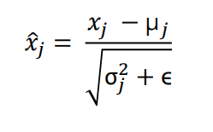
An(Qn, Kn, Vn) | cat | 0.017955890852 | 0.032844312143 | 0.006249625185 | 0.0081215568869 | -0.0097565798854 | 0.030760395207 |  |  |  | An(Qn, Kn, Vn) | cat | 0.22200862427 | 1.1418608713 | -0.5012403064 | -0.38558663509 | -1.4901526573 | 1.0131101032 | 0.014362533398 | 0.016185666056

 |  |  |  |  | or |  |  | each | = | norm |  |  | FEED FORWARD MATRIX
 |  |  |  |  |  |  |  |  |  |  |  |  | E' (sequence, dmodel)
 |  | FEED FORWARD MATRIX |  |  |  |  |  |  |  |  |  |  | 1 | 2 | 3 | 4 | … | 512 | Mean | Std. Dev
 |  | E' (sequence, dmodel) |  |  |  |  |  |  |  |  | E1 | Your | -0.96963929501 | 0.7335496949 | 0.75531842438 | -0.57615284256 | 1.172495726 | -1.1155717077 | 0.43287087102 | 0.36646946524
 |  | 1 | 2 | 3 | 4 | … | 512 |  |  |  | … | cat | -1.1521029984 | 1.0814406249 | -0.94862245544 | 0.75853263897 | 0.83532030422 | -0.57456811421 | 0.60324322313 | 0.21932726347
E1 | Your | 0.077527677103 | 0.70169443544 | 0.70967201009 | 0.22172844691 | 0.86255475273 | 0.024047903862 |  |  |  | … | is | -0.95093322348 | 0.25622150125 | -0.59796328458 | 1.0287382716 | 1.2676141587 | -1.0036774235 | 0.40314525357 | 0.20317247824
… | cat | 0.35055562525 | 0.84043263599 | 0.39518445592 | 0.76961011109 | 0.78645173958 | 0.47722477097 |  |  |  | … | a | -1.1698795176 | 0.73131584862 | 0.2960937641 | 1.3627984864 | -1.0613111009 | -0.1590174806 | 0.52262767131 | 0.33080115484
… | is | 0.20994179391 | 0.45520241095 | 0.28165557114 | 0.61215655767 | 0.66068956364 | 0.19922562409 |  |  |  | … | lovely | 0.76050264748 | -0.040916406529 | -1.6686882577 | -0.54840308591 | 0.42207659672 | 1.0754285059 | 0.5945234437 | 0.32124066265
… | a | 0.13563017586 | 0.76454779859 | 0.62057583042 | 0.97344298443 | 0.17154473349 | 0.47002450509 |  |  |  | En | cat | 0.25969696746 | 1.6492149132 | -0.98956017301 | 0.33632244312 | -1.0352353737 | -0.22043877705 | 0.48379009571 | 0.2701099835
… | lovely | 0.83882781813 | 0.58137943015 | 0.058472922039 | 0.41835407298 | 0.73011160932 | 0.93999480958
En | cat | 0.55393683931 | 0.92925950871 | 0.2165000137 | 0.57463414527 | 0.20416268599 | 0.42424738128

-> Feed Forward
Each embedding in the Attention Output Matrix - A1 (Q1, K1, V1) to An (Qn, Kn, Vn)
FEED FORWARD MATRIX (sequence, dmodel)

 | Feed Forward for A1 (Q1, K1, V1) |  |  |  |  |  |  | Hidden Layers
 |  |  |  | Input Layer |  |  |  | Layer 1 |  | Layer 2 |  | Output Layer

x (weight)
+ bias
x (weight)
+ bias
=
 |  |  |  | 1 | 0.22460478241 |  |  | 1 | 0.53543769874 | 1 | 0.86849181157 | 1 | 0.59277638853
 |  |  |  | 2 | 1.147517141 |  |  | 2 | 0.86638146228 | 2 | 0.75117922312 | 2 | 0.69288904767
 | Attention Output 1 |  |  | 3 | -0.50195539808 |  |  | 3 | 0.12915698264 | 3 | 0.20184384655 | 3 | 0.21163275516
 | 512 (dmodel) |  |  | 4 | -0.38815507776 |  |  | 4 | 0.237548846 | 4 | 0.28481915618 | 4 | 0.12480916245
 |  |  |  | … | -1.4887969721 |  |  | … | 0.18627258894 | … | 0.95825894121 | … | 0.24291677677 |  |  |  | 1 | 2 | 3 | 4 | … | 512
 |  |  |  | 512 | 1.0067855246 |  |  | 2048 | 0.030872782668 | 2048 | 0.71165924435 | 512 | 0.67126779573 |  | E1 | Your | 0.077527677103 | 0.70169443544 | 0.70967201009 | 0.22172844691 | 0.86255475273 | 0.024047903862
 |  |  |  |  |  |  |  |  |  |  |  |  |  |  | … | cat | 0.35055562525 | 0.84043263599 | 0.39518445592 | 0.76961011109 | 0.78645173958 | 0.47722477097
 |  |  |  |  |  |  |  |  |  |  |  |  |  |  | … | is | 0.20994179391 | 0.45520241095 | 0.28165557114 | 0.61215655767 | 0.66068956364 | 0.19922562409
 |  |  |  |  |  |  |  |  |  |  |  |  |  | = | … | a | 0.13563017586 | 0.76454779859 | 0.62057583042 | 0.97344298443 | 0.17154473349 | 0.47002450509
 |  |  |  |  |  |  |  |  |  |  |  |  |  |  | … | lovely | 0.83882781813 | 0.58137943015 | 0.058472922039 | 0.41835407298 | 0.73011160932 | 0.93999480958
 | Feed Forward for An (Qn, Kn, Vn) |  |  |  |  |  |  | Hidden Layers |  |  |  |  |  |  | En | cat | 0.55393683931 | 0.92925950871 | 0.2165000137 | 0.57463414527 | 0.20416268599 | 0.42424738128
 |  |  |  | Input Layer |  |  |  | Layer 1 |  | Layer 2 |  | Output Layer

x (weight)
+ bias
x (weight)
+ bias
=
 |  |  |  | 1 | 0.22200862427 |  |  | 1 | 0.45677630692 | 1 | 0.81001136296 | 1 | 0.11881618264
 |  |  |  | 2 | 1.1418608713 |  |  | 2 | 0.98181925176 | 2 | 0.50305641532 | 2 | 0.68507265915
 | Attention Output n |  |  | 3 | -0.5012403064 |  |  | 3 | 0.9332029344 | 3 | 0.19741958043 | 3 | 0.79701655891
 | 512 (dmodel) |  |  | 4 | -0.38558663509 |  |  | 4 | 0.090994621644 | 4 | 0.37680088561 | 4 | 0.043029874826
 |  |  |  | … | -1.4901526573 |  |  | … | 0.28854195047 | … | 0.99628401473 | … | 0.51492295671
 |  |  |  | 512 | 1.0131101032 |  |  | 2048 | 0.66831505113 | 2048 | 0.39969154244 | 512 | 0.99292904753

Each value in the input layer is multiplied to a weight, summed, added a bias, then subjected to linear transformation (sigmoid, reLu, etc.). We then compute for the gradient. Each input has its own intialized weight and each neuron has its own bias.
Thus:
weights = 512 inputs x 2048 neurons = 1,048,576
bias = 2048

linearly transformed values (applied softmax, relu, etc.)

 | Embedding |  |  |  |  |  |  | Neurons
 | 1 | 0.22460478241 | w1 | b1 |  | = | act(z) | 1 | 0.54
 | 2 | 1.147517141 | w2 | b2 |  | = | act(z) | 2 | 0.87
 | 3 | -0.50195539808 | w3 | b3 |  | = | act(z) | 3 | 0.13
 | 4 | -0.38815507776 | w4 | b4 |  | = | act(z) | 4 | 0.24
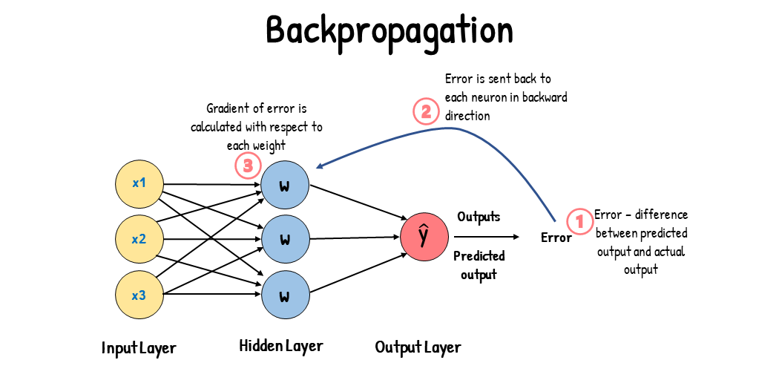
 | … | -1.4887969721 | w5 | b5 |  | = | act(z) | … | 0.19
 | 512 | 1.0067855246 | w512 | b2048 |  | = | act(z) | 2048 | 0.03

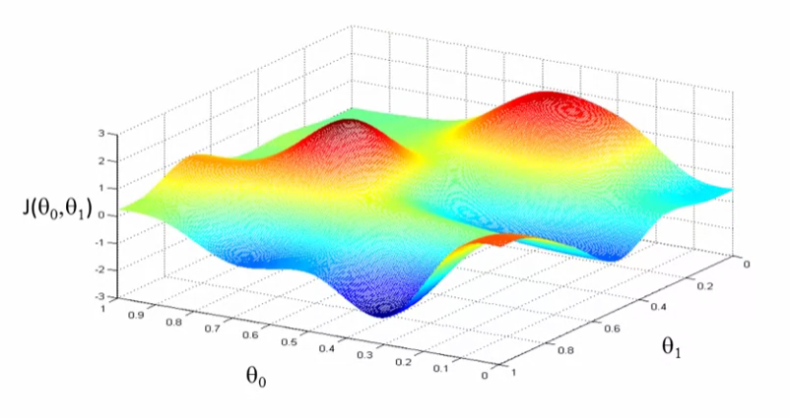

 |  |  | Gradient of the error

-> Cross Attention
CROSS ATTENTION
Cross attention is the the sum of FEED FORWARD MATRIX of the ENCODER and the ATTENTION OUTPUT EMBEDDING of the FIRST TOKEN PASSED IN THE DECODER - I will call it cross attention embedding
Cn (output_sequence, dmodel) = E' (input_sequence, dmodel) + An (1, dmodel)
where Cn is the cross attention embedding. Cn grows in size incrementally as new words or tokens are passed into the decoder. For example, at time step 1, a word is passed, thus the size is (1, dmodel). At time step two, a new word is added, thus the size is (2, dmodel).

 | FEED FORWARD MATRIX |  |  |  |  |  |  |  |  | ATTENTION OUTPUT EMBEDDING |  |  |  |  |  |  |  |  | CROSS ATTENTION MATRIX
 | E' (input_sequence, dmodel) |  |  |  |  |  |  |  |  | An (1, dmodel) |  |  |  |  |  |  |  |  | Cn (output_sequence, dmodel)
 |  |  | 1 | 2 | 3 | 4 | … | 512 |  |  |  | 1 | 2 | 3 | 4 | … | 512 |  |  |  | 1 | 2 | 3 | 4 | … | 512
 | E1 | Your | 0.077527677103 | 0.70169443544 | 0.70967201009 | 0.22172844691 | 0.86255475273 | 0.024047903862 |  | A1 (Q1, K1, V1) | <SOS> | 0.54492086315 | 0.46638251507 | 0.33527569492 | 0.32826000768 | 0.86353095279 | 0.78719070479 |  | C1 | y - hat | 0.62244854025 | 1.1680769505 | 1.044947705 | 0.54998845459 | 1.7260857055 | 0.81123860865
 | … | cat | 0.35055562525 | 0.84043263599 | 0.39518445592 | 0.76961011109 | 0.78645173958 | 0.47722477097
 | … | is | 0.20994179391 | 0.45520241095 | 0.28165557114 | 0.61215655767 | 0.66068956364 | 0.19922562409 | + |  |  |  |  |  |  |  |  | =
 | … | a | 0.13563017586 | 0.76454779859 | 0.62057583042 | 0.97344298443 | 0.17154473349 | 0.47002450509
 | … | lovely | 0.83882781813 | 0.58137943015 | 0.058472922039 | 0.41835407298 | 0.73011160932 | 0.93999480958
 | En | cat | 0.55393683931 | 0.92925950871 | 0.2165000137 | 0.57463414527 | 0.20416268599 | 0.42424738128

Cross Attention(Qdecoder, Kencoder, Vencoder Matrix(size (sequence, dmodel))) where:
Qdecoder = Decoder Input x WQ
Kencoder = Encoder Output x WK
Vencoder = Encoder Output x WV

-> Output Probabilities
the one with the highest probability to follow <SOS> is "Ti"
TRAINING, INFERENCE, COST FUNCTION

Input sequence = "I love you very much"
Target / Output sequence = "<SOS> Ti amo molto <EOS>"
Input sequence has size = (6, dmodel)
Target / Output sequence has size = (3 + special tokens, vocabsize)
TRAINING |  | INFERENCE
 |  | Time step 1
 |  |  |  | FEED FORWARD MATRIX cross matrix
INPUT SEQUENCE | TARGET SEQUENCE |  |  | E' cross matrix (output_sequence, vocabsize)
I | <SOS> |  |  | <SOS> | amo | <EOS> | molto | … | Ti | Summation | OUTPUT SEQUENCE
love | Ti |  | <SOS> | 1 | 0 | 0 | 0 | 0 | 0 | 1
you | amo | C1 | y1 - hat | 0.11 | 0.12 | 0.14 | 0.15 | 0.16 | 0.32 |  | Ti |  | 1st logit
so | molto
vocabulary = ["<SOS>", "Ti", "amo", "molto", "<EOS>"]
vocabulary is a list of tokens generated from the target sequence.
much | <EOS>
 |  |  | <EOS>

 |  | Time step 2
 |  |  |  | FEED FORWARD MATRIX cross matrix
 |  |  |  | E' cross matrix (output_sequence, vocabsize)
 |  |  |  | <SOS> | amo | <EOS> | molto | … | Ti | Summation | OUTPUT SEQUENCE
 |  |  | <SOS> | 1 | 0 | 0 | 0 | 0 | 0 | 1
 |  | C1 | y1 - hat | 0.11 | 0.12 | 0.14 | 0.15 | 0.16 | 0.32 | 1 | Ti |  | 1st logit
 |  | C2 | y2 - hat | 0.1 | 0.6 | 0.1 | 0.1 | 0 | 0.1 | 1 | amo |  | 2nd logit

 |  |  | <EOS>

 |  | Time step n |  | …......... Repeats 'til <EOS>

 |  |  |  | TARGET MATRIX (ONE-HOT)
 |  |  |  | (output_sequence, vocabsize)
 |  |  |  | <SOS> | amo | <EOS> | molto | … | Ti | Summation | OUTPUT SEQUENCE
 |  |  | <SOS> | 1 | 0 | 0 | 0 | 0 | 0 | 1
 |  |  | y1 - true | 0 | 0 | 0 | 0 | 0 | 1 | 1 | Ti |  | 1st token
 |  |  | y2 - true | 0 | 1 | 0 | 0 | 0 | 0 | 1 | amo |  | 2nd token
 |  |  | y3 - true | 0 | 0 | 0 | 1 | 0 | 0 | 1 | molto |  | 3rd token
 |  |  | <EOS> | 0 | 0 | 1 | 0 | 0 | 0 | 1
COST FUNCTION

 |  |  |  | FEED FORWARD MATRIX cross tensor |  |  |  |  |  |  |  | TARGET MATRIX (ONE-HOT)
 |  |  |  | E' cross matrix (output_sequence, vocabsize) |  |  |  |  |  |  |  | (output_sequence, vocabsize)
 |  |  |  | <SOS> | amo | <EOS> | molto | … | Ti |  |  | <SOS> | amo | <EOS> | molto | … | Ti
 |  |  | <SOS> | 1 | 0 | 0 | 0 | 0 | 0 |  | <SOS> | 1 | 0 | 0 | 0 | 0 | 0
 |  |  | y1 - hat | 0.11 | 0.12 | 0.14 | 0.15 | 0.16 | 0.32 |  | y1 - true | 0 | 0 | 0 | 0 | 0 | 1
 |  |  | y2 - hat | 0.1 | 0.6 | 0.1 | 0.1 | 0 | 0.1 |  | y2 - true | 0 | 1 | 0 | 0 | 0 | 0
 |  |  | y3 - hat | 0.1 | 0.1 | 0.1 | 0.5 | 0.1 | 0.1 |  | y3 - true | 0 | 0 | 0 | 1 | 0 | 0
 |  |  | <EOS> | 0 | 0 | 1 | 0 | 0 | 0 | each y - data | <EOS> | 0 | 0 | 1 | 0 | 0 | 0

 |  |  | tokens | P(y1 - hat)
 |  |  | <SOS> | 0.11
 |  |  | amo | 0.12
 |  |  | <EOS> | 0.14
 |  |  | molto | 0.15
 |  |  | … | 0.16
 |  |  | Ti | 0.32

